BASIS
 | WORKBOOK

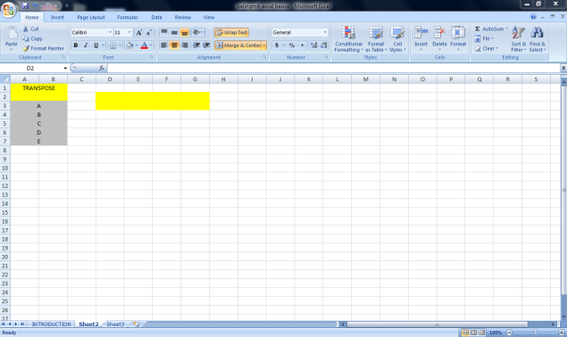

In Microsoft Excel, a workbook is a collection of one or more spreadsheets, also called worksheets, in a single file.

WORKSHEETS

The term Worksheet used in Excel documents is a collection of cells organized in rows and columns.

 |  | CELL NAME

In Microsoft Excel, you can create and use two types of names: Defined name - a name that refers to a single cell, range of cells, constant value, or formula. For example, when you define a name for a range of cells, it's called a named range, or defined range.

 | FORMULA BAR

WHAT DOES FORMULA BAR MEAN IN EXCEL The Formula Bar in Excel sits directly above the worksheet area, to the right of the Name Box. The formula bar can be used to edit the content of any cell and can be expanded to show multiple lines for the same formula (example, shortcut for toggling)

RIBBON

WHAT DOES RIBBON MEAN IN EXCEL First introduced in Excel 2007, the ribbon is the strip of buttons and icons located above the work area.

CHARTS
CHARTS
shortcut key ALT+f1
 |  |  |  |  | go to links
 | ANNUAL SALES
 | ONLINE SALES |  | STORE SALES
T-SHIRT |  | 4000 |  | 25000
JOGGERS |  | 300000 |  | 200000
JORDENS |  | 300000 |  | 150000

 |  |  | DEFINATION
 |  | A chart is a tool you can use in Exel to communicate data graphically, charts allow your audience to see the meaning behind the numbers,and they make showing comparisions and trends much easier.

 | T-SHIRT | JOGGERS | JORDENS
 | 4000 | 300000 | 300000
 | 25000 | 200000 | 150000

 | T-SHIRT | JOGGERS | JORDENS
ONLINE SALES
 | 4000 | 300000 | 300000
STORE SALES
 | 25000 | 200000 | 150000

 | CHARTS | shortcut key ALT+f1

DATA TYPE
COUNTERIES | AGRICULTURE LAND | ARMED FORCES | CO2 EMISSION | FOREST AREA | GDP | MINIMUM WAGE | POPULATION | UMEMPLOYMENT RATE | FULE COMSUMPTION
 | 0.60447196446 | 3031000 | 2407671.526 | 0.23833121475 | 2.611E+12 | 0.3 | 1366417754 | 0.053550000191 | 73.576979088
 | 0.44369068 | 1,359,000 | 5006302.077 | 0.33929785666 | 22940000000000 | 7.25 | 328239523 | 0.147 | 82.427828245
 | 0.0093088859241 | $81,000.00 | $37,535.41 | 0.23060648843 | 3.7206252749E+11 |  | 5703569 | 0.04109000206 | 90.578873581
 | 0.71714878141 | 148000 | 379024.787 | 0.13065762824 | 2.8271131847E+12 | 10.13 | 66834405 | 0.038510000706 | 80.351771267
 | 0.054745140495 | 63000 | 206323.755 | 0.045573078522 | 4.2114226794E+11 |  | 9770529 | 0.023480000496 | 86.128349024
 | 0.47794728103 | 936000 | 201149.618 | 0.018537256123 | 304400000000 | 0.69 | 216565318 | 0.044530000687 | 61.585361451
 | 0.41721165778 | 153000 | 122287.116 | 0.27769393299 | 3.7679550868E+11 | 1.12 | 108116615 | 0.021500000954 | 62.434896292
 | 0.28747820021 | 112000 | 9105.161 | 0.25364492501 | 30641380604 | 0.36 | 28608710 | 0.014069999456 | 15.482679403
 | ARMED FORCES | GDP | MINIMUM WAGE
0 | 3,031,000 | 2.611E+12 | 0.3
0 | 1,359,000 | 22940000000000 | 7.25
0 | 81,000 | 3.7206252749E+11 | 0
0 | 148,000 | 2.8271131847E+12 | 10.13
0 | 63,000 | 4.2114226794E+11 | 0
0 | 936,000 | 304400000000 | 0.69
0 | 153,000 | 3.7679550868E+11 | 1.12
 | 112,000 | 30641380604 | 0.36

 | back to link

